Indices

 | Iraq Stock Exchange
 | Bulletin No (170)

 | ISX Trading Indices of Thursday 25/9/2025

 | Traded Volume and OTC |  | 2,522,915,850 |  | Traded Value and OTC |  | 948,125,451 |  | Traders | 647

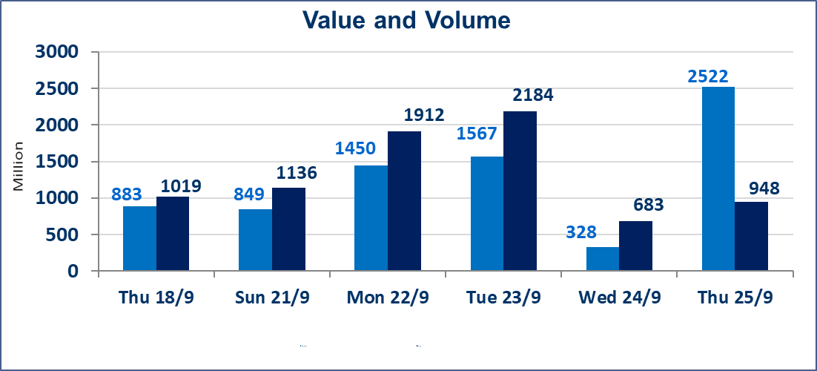
 | ISX Index 60 |  |  | 963.79 | ISX Index 15 |  |  | 1128.31
 | Previous ISX Index60 |  |  | 967.60 | Previous ISX Index15 |  |  | 1129.74
 | Change % |  |  | -0.39 | Change % |  |  | -0.13
 | Change |  |  | -3.81 | Change |  |  | -1.43

 | Listed Companies | 104 | OTC | 11 | Non Traded listed | 38 | OTC | 9
 | Traded Listed Companies | 44 | OTC | 1 | Higher Companies |  |  | 12
 | GAM Companies |  |  | 11 | Lower Companies |  |  | 14
 | Suspended Companies |  |  | 11
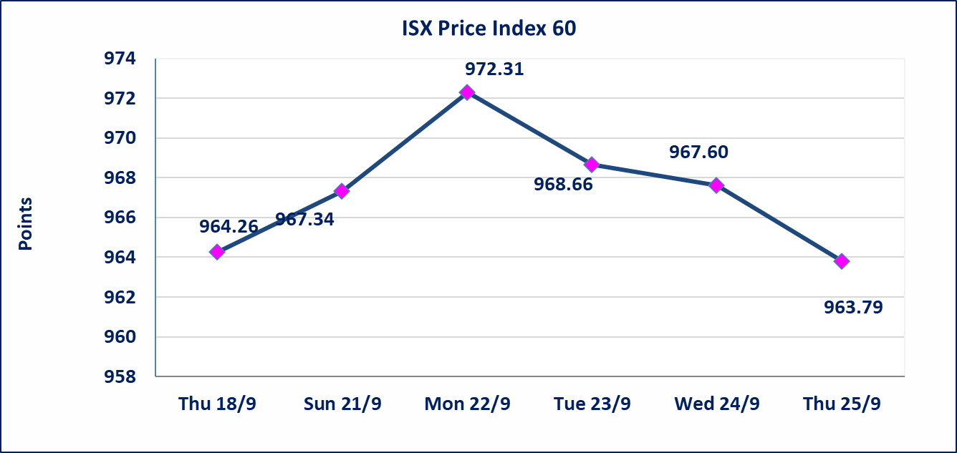
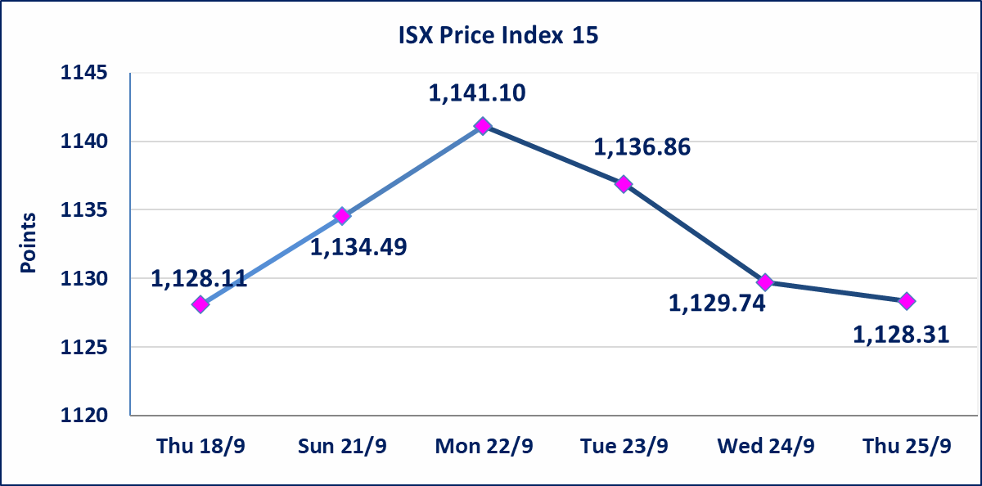

Al-Alwiya P.O . 3607 Mobile: 07711211522 - 07270094594 - 07834000034 E-mail: info-isx@isx-iq.net Web site:www.isx-iq.net

Top 5
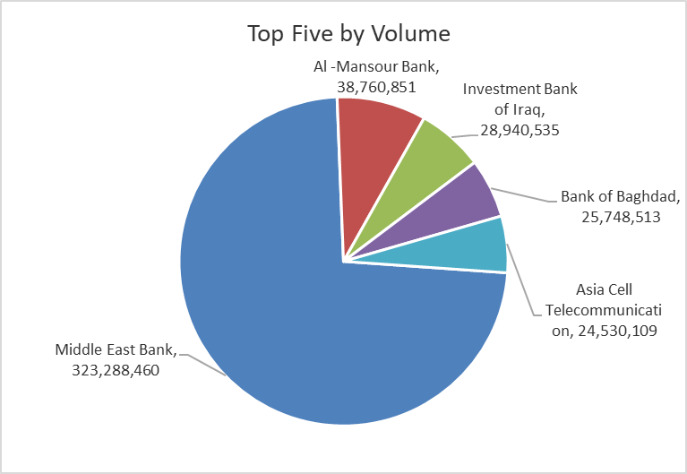
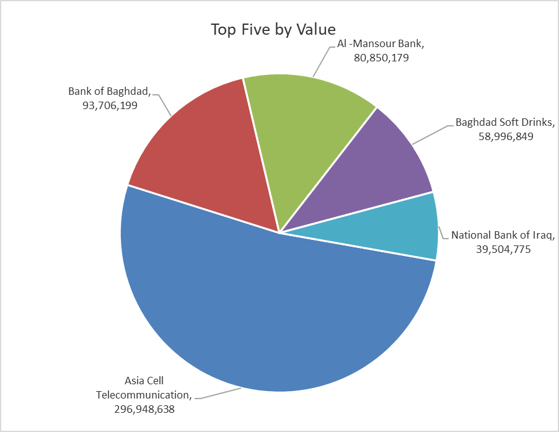
ISX top ganing and losing companies
Thursday 25/9/2025
Gainers |  |  |  | Losers
Company Name | Closing Price | Change (%) | Traded Volume | Company Name | Closing Price | Change (%) | Traded Volume
Al-Kindi of Veterinary Vaccines | 3.170 | 12.81 | 5,886,541 | Middle East Bank | 0.060 | -14.29 | 323,288,460
Kurdistan International Bank | 1.080 | 8.00 | 183,918 | Ready Made Clothes | 2.050 | -6.82 | 701,834
Mosul Bank For Investment | 0.170 | 6.25 | 2,107,524 | Gulf Insurance | 0.670 | -4.29 | 30,800
Palestine Hotel | 24.150 | 5.00 | 201,521 | Ashour Hotel | 33.000 | -2.94 | 753
Iraqi Carton Manufactories | 1.150 | 4.55 | 159,045 | Al-Ameen for Insurance | 1.080 | -1.82 | 302,203

The most active companies in term of traded volume and value

Traded Volume |  |  |  | Traded Value
Company Name | Closing Price | Change (%) | Traded Volume | Company Name | Closing Price | Change (%) | Traded Value
Middle East Bank | 0.060 | -14.29 | 323,288,460 | Asia Cell Telecommunication | 12.100 | -0.17 | 296,948,638
Al -Mansour Bank | 2.080 | -0.48 | 38,760,851 | Bank of Baghdad | 3.630 | -0.82 | 93,706,199
Investment Bank of Iraq | 0.210 | 0.00 | 28,940,535 | Al -Mansour Bank | 2.080 | -0.48 | 80,850,179
Bank of Baghdad | 3.630 | -0.82 | 25,748,513 | Baghdad Soft Drinks | 4.640 | -0.22 | 58,996,849
Asia Cell Telecommunication | 12.100 | -0.17 | 24,530,109 | National Bank of Iraq | 3.990 | 1.01 | 39,504,775

Non Iraqis

Iraq Stock Exchange
Non Iraqis' Bulletin Thursday Sept 25 2025
Regular Market

Non Iraqi Trading of Regular Market (Buy)
Company Names | Code | No.of trades | Traded Shares | Trading Volume
Banks Sector
Bank Of Baghdad | BBOB | 3 | 3,000,000 | 10,980,000
Al-Mansour Bank | BMNS | 1 | 15,631 | 32,669
Total Bank sector |  | 4 | 3,015,631 | 11,012,669
Hotel Sector
Mansour Hotel | HMAN | 1 | 6,125 | 220,500
Total Hotel Sector |  | 1 | 6,125 | 220,500
Telecommunication Sector
Asia cell | TASC | 1 | 1,000,000 | 12,120,000
Total Telecommunication sector |  | 1 | 1,000,000 | 12,120,000
Grand Total |  | 6 | 4021756 | 23353169

Non Iraqi Trading of Second Market (Sell)
Company Names | Code | No.of trades | Traded Shares | Trading Volume
Industry sector
Fallujah for Construction Materials | IFCM | 5 | 2,500,000 | 7,805,000
Total Industry sector |  | 5 | 2,500,000 | 7,805,000
Grand Total |  | 5 | 2500000 | 7805000

